Number of species by provinces
Ecoregion | Province | Total number of species | Ecoregions | Average number of species recorded per province |  | Ecoregions | Total number of species recorded
Central Anatolian | Ankara | 633 | Türkiye | 212.58 |  | Türkiye | 1668
Aegean | İzmir | 579 | Mediterranean | 368.88 |  | Mediterranean | 1010
Mediterranean | Adana | 542 | Aegean | 247.00 |  | Aegean | 758
Mediterranean | Mersin | 509 | Central Anatolian | 264.75 |  | Central Anatolian | 1040
Mediterranean | Hatay | 474 | Southeastern Anatolian | 151.00 |  | Southeastern Anatolian | 587
Mediterranean | Antalya | 460 | Eastern Anatolian | 158.00 |  | Eastern Anatolian | 741
Central Anatolian | Karaman | 460 | Black Sea | 152.53 |  | Black Sea | 759
Mediterranean | Kahramanmaraş | 410 | Marmara | 240.55 |  | Marmara | 824
Marmara | Bursa | 406 |  |  |  | Thrace | 666
Central Anatolian | Konya | 405 |  |  |  | Eastern Black Sea | 361
Marmara | Edirne | 401
Marmara | İstanbul | 390
Central Anatolian | Kayseri | 379
Eastern Anatolian | Erzurum | 364 | Correlations
Southeastern Anatolian | Diyarbakır | 356 |  |  |  | Species_count | WS_percentage
Eastern Anatolian | Elazığ | 304 | Spearman's rho | Species_count | Correlation Coefficient | 1.000 | -,711**
Central Anatolian | Niğde | 304 |  |  | Sig. (2-tailed) |  | 0.000
Aegean | Muğla | 303 |  |  | N | 81 | 81
Southeastern Anatolian | Gaziantep | 301 |  | WS_percentage | Correlation Coefficient | -,711** | 1.000
Black Sea | Kastamonu | 274 |  |  | Sig. (2-tailed) | 0.000
Marmara | Çanakkale | 273 |  |  | N | 81 | 81
Black Sea | Amasya | 294 | **. Correlation is significant at the 0.01 level (2-tailed).
Eastern Anatolian | Kars | 238
Aegean | Aydın | 234
Central Anatolian | Kırşehir | 229
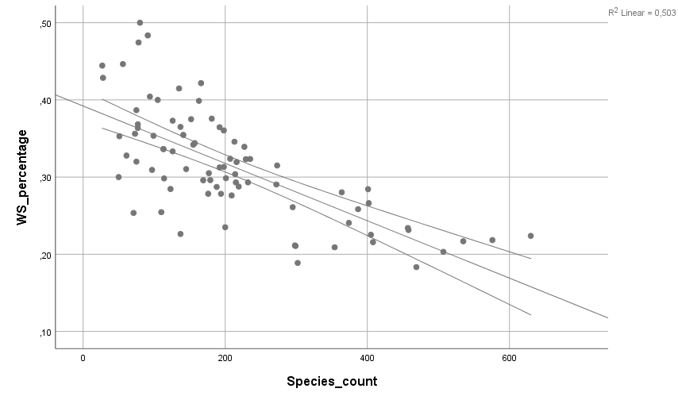
Marmara | Kırklareli | 228
Marmara | Balıkesir | 222
Black Sea | Artvin | 218
Mediterranean | Isparta | 216
Black Sea | Çorum | 214
Aegean | Manisa | 209
Black Sea | Bolu | 208
Southeastern Anatolian | Mardin | 201
Central Anatolian | Nevşehir | 201
Black Sea | Çankırı | 199
Central Anatolian | Eskişehir | 199
Black Sea | Tokat | 195
Aegean | Denizli | 192
Marmara | Tekirdağ | 192
Eastern Anatolian | Van | 189
Eastern Anatolian | Erzincan | 181
Aegean | Kütahya | 179
Eastern Anatolian | Iğdır | 177
Mediterranean | Osmaniye | 177
Marmara | Bilecik | 172
Aegean | Afyonkarahisar | 166
Mediterranean | Burdur | 163
Marmara | Kocaeli | 158
Black Sea | Sinop | 156
Marmara | Sakarya | 152
Central Anatolian | Sivas | 147
Eastern Anatolian | Malatya | 141
Black Sea | Zonguldak | 141
Eastern Anatolian | Ağrı | 140
Black Sea | Samsun | 136
Southeastern Anatolian | Adıyaman | 128
Southeastern Anatolian | Şanlıurfa | 127
Black Sea | Karabük | 126
Southeastern Anatolian | Siirt | 114
Aegean | Uşak | 114
Black Sea | Giresun | 113
Eastern Anatolian | Tunceli | 111
Black Sea | Düzce | 105
Black Sea | Ordu | 101
Black Sea | Gümüşhane | 98
Black Sea | Bartın | 94
Black Sea | Bayburt | 91
Eastern Anatolian | Muş | 82
Central Anatolian | Yozgat | 82
Eastern Anatolian | Hakkâri | 80
Black Sea | Trabzon | 78
Eastern Anatolian | Bingöl | 77
Eastern Anatolian | Bitlis | 77
Central Anatolian | Kırıkkale | 77
Southeastern Anatolian | Kilis | 77
Central Anatolian | Aksaray | 61
Black Sea | Rize | 57
Marmara | Yalova | 52
Eastern Anatolian | Ardahan | 51
Southeastern Anatolian | Batman | 28
Southeastern Anatolian | Şırnak | 27

GEnS_Türkiye
